Analysis
Matches win by team wrt to bat first or ball first
 | bat | field
Kings XI Punjab | 1 | 11
Kolkata Knight Riders | 3 | 8
Chennai Super Kings | 5 | 5
Rajasthan Royals | 2 | 5
Mumbai Indians | 3 | 4
Sunrisers Hyderabad | 2 | 4
Royal Challengers Bangalore | 1 | 4
Delhi Daredevils | 2
Count of toss_winner | Column Labels
Row Labels | bat | field | Grand Total
Kings XI Punjab | 1 | 11 | 12
Kolkata Knight Riders | 3 | 8 | 11
Chennai Super Kings | 5 | 5 | 10
Rajasthan Royals | 2 | 5 | 7
Mumbai Indians | 3 | 4 | 7
Sunrisers Hyderabad | 2 | 4 | 6
Royal Challengers Bangalore | 1 | 4 | 5
Delhi Daredevils | 2 |  | 2
Grand Total | 19 | 41 | 60
Tossed Based Winning %

Row Labels | Count of winner
bat | 31.67%
field | 68.33%
Grand Total | 100.00%

 | bat | field
Dubai International Cricket Stadium | 3 | 4
Eden Gardens |  | 4
Feroz Shah Kotla | 1 | 4
JSCA International Stadium Complex | 3 | 1
M Chinnaswamy Stadium | 1 | 5
Rajiv Gandhi International Stadium, Uppal | 3 | 1
Sardar Patel Stadium, Motera | 1 | 3
Sharjah Cricket Stadium | 2 | 4
Sheikh Zayed Stadium | 4 | 3
Wankhede Stadium | 1 | 5
Count of winner | Column Labels
Row Labels | bat | field | Grand Total
Dubai International Cricket Stadium | 3 | 4 | 7
Eden Gardens |  | 4 | 4
Feroz Shah Kotla | 1 | 4 | 5
JSCA International Stadium Complex | 3 | 1 | 4
M Chinnaswamy Stadium | 1 | 5 | 6
Rajiv Gandhi International Stadium, Uppal | 3 | 1 | 4
Sardar Patel Stadium, Motera | 1 | 3 | 4
Sharjah Cricket Stadium | 2 | 4 | 6
Sheikh Zayed Stadium | 4 | 3 | 7
Wankhede Stadium | 1 | 5 | 6
Grand Total | 19 | 34 | 53

Top 10 MoM Award Winners
Row Labels | Count of player_of_match |  | Player of the match
GJ Maxwell | 4 |  | GJ Maxwell | 4
RA Jadeja | 3 |  | RA Jadeja | 3
RV Uthappa | 3 |  | RV Uthappa | 3
DR Smith | 3 |  | DR Smith | 3
Sandeep Sharma | 3 |  | Sandeep Sharma | 3
B Kumar | 2 |  | B Kumar | 2
PV Tambe | 2 |  | PV Tambe | 2
MEK Hussey | 2 |  | MEK Hussey | 2
CJ Anderson | 2 |  | CJ Anderson | 2
DA Warner | 2 |  | DA Warner | 2
SK Raina | 2 |  | SK Raina | 2
AM Rahane | 2
G Gambhir | 2
UT Yadav | 2
AB de Villiers | 2
JP Faulkner | 2
Grand Total | 38

Dashboard
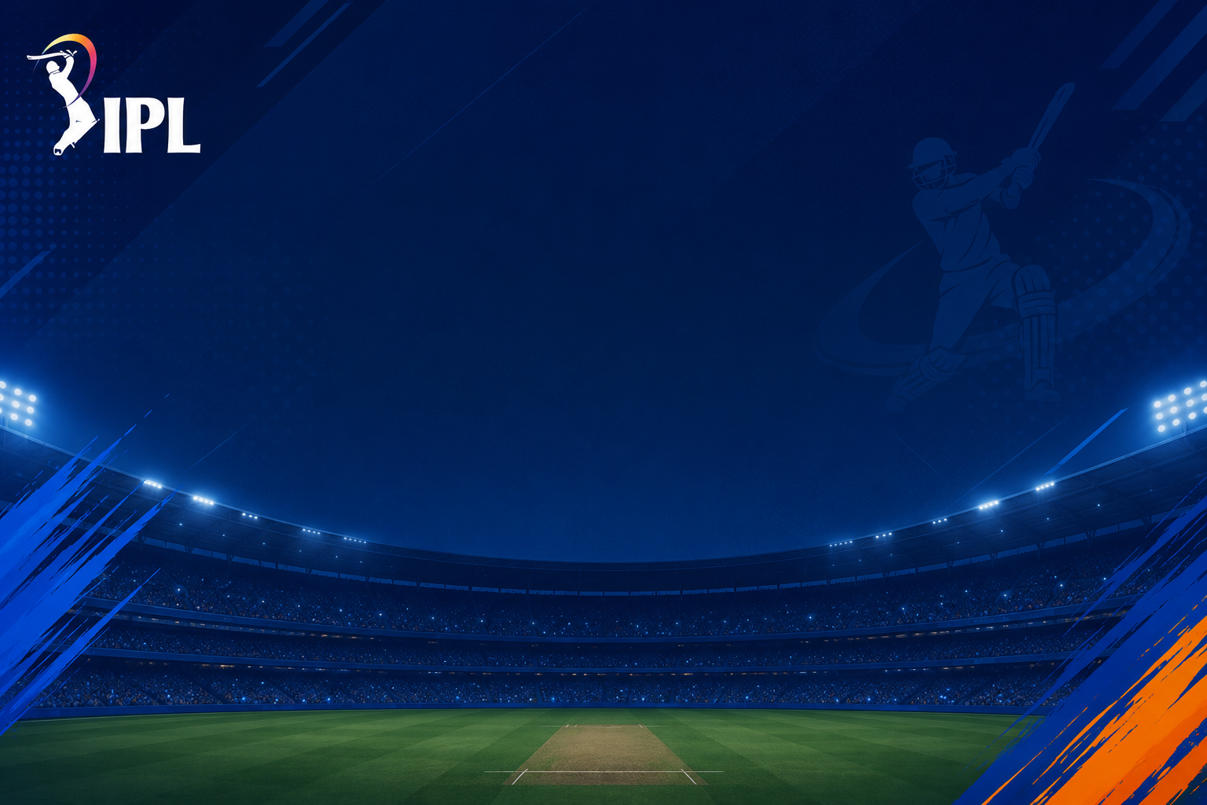
INDIAN PREMIER LEAGUE ANALYSIS
Season
IPL-2014
Winner
Kolkata Knight Riders
Runner Up
Kings XI Punjab
Player of the Series
Glenn Maxwell

Matches win by team wrt to bat first or ball first
 | bat | field
Kings XI Punjab | 1 | 11
Kolkata Knight Riders | 3 | 8
Chennai Super Kings | 5 | 5
Rajasthan Royals | 2 | 5
Mumbai Indians | 3 | 4
Sunrisers Hyderabad | 2 | 4
Royal Challengers Bangalore | 1 | 4
Delhi Daredevils | 2
Tossed Based Winning %
 | Total
bat | 31.67%
field | 68.33%
Top 10 venues win wrt bat first or ball first
 | bat | field
Dubai International Cricket Stadium | 3 | 4
Eden Gardens |  | 4
Feroz Shah Kotla | 1 | 4
JSCA International Stadium Complex | 3 | 1
M Chinnaswamy Stadium | 1 | 5
Rajiv Gandhi International Stadium, Uppal | 3 | 1
Sardar Patel Stadium, Motera | 1 | 3
Sharjah Cricket Stadium | 2 | 4
Sheikh Zayed Stadium | 4 | 3
Wankhede Stadium | 1 | 5

Top 10 MoM Award Winners
GJ Maxwell | 4
RA Jadeja | 3
RV Uthappa | 3
DR Smith | 3
Sandeep Sharma | 3
B Kumar | 2
PV Tambe | 2
MEK Hussey | 2
CJ Anderson | 2
DA Warner | 2
SK Raina | 2

